State wise Report
 | SATE/ UT
85.5 | 19
40 | 27
93 | 67
87 | 60
65 | 57
50 | 43
35 | 74
20 | 43
36 | 67
26 | 28
18 | 50
32 | 69
37 | 77
30 | 85
62 | 51
30 | 25
34.5 | 13
40 | 83
40 | 50
30 | 40
80 | 57
89 | 55
86 | 50
92 | 59
60 | 43
44 | 18
30 | 74
25 | 60
71 | 63
40 | 15
40 | 35
82.5 | 52
50 | 60
43 | 72
70 | 50
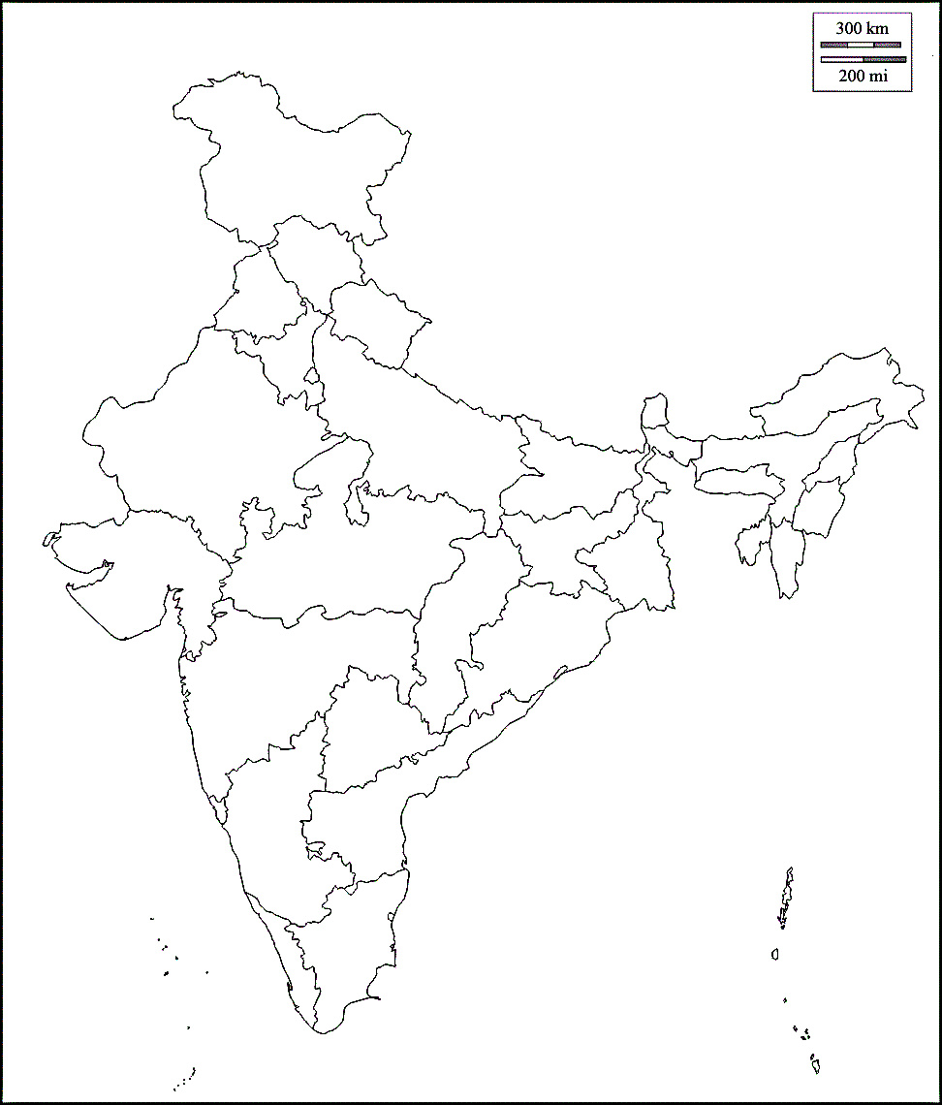

SATE/ UT | Confirmed | Active Cases | Reovered | Deaths | X | Y | SATE/ UT | Reovered
ANDAMAN AND NICOBAR ISLANDS | 212 | 53 | 159 | 0 | 85.5 | 19 | ANDAMAN AND NICOBAR ISLANDS | 159
ANDHRA PRADESH | 58668 | 32336 | 25574 | 758 | 40 | 27 | ANDHRA PRADESH | 25574
ARUNACHAL PRADESH | 858 | 552 | 303 | 3 | 93 | 67 | ARUNACHAL PRADESH | 303
ASSAM | 25382 | 7291 | 18033 | 58 | 87 | 60 | ASSAM | 18033
BIHAR | 28952 | 10220 | 18515 | 217 | 65 | 57 | BIHAR | 18515
CHATTISGARH | 751 | 221 | 518 | 12 | 50 | 43 | CHATTISGARH | 518
CHANDIGARH | 5729 | 1586 | 4114 | 29 | 35 | 74 | CHANDIGARH | 4114
DADRA AND NAGAR HAVELI AND DAMAN AND DIU | 705 | 240 | 463 | 2 | 20 | 43 | DADRA AND NAGAR HAVELI AND DAMAN AND DIU | 463
DELHI | 125096 | 15288 | 106118 | 3690 | 36 | 67 | DELHI | 106118
GOA | 4027 | 1552 | 2449 | 26 | 26 | 28 | GOA | 2449
GUJRAT | 50379 | 11760 | 36423 | 2196 | 18 | 50 | GUJRAT | 36423
HARYANA | 27462 | 6146 | 20952 | 364 | 32 | 69 | HARYANA | 20952
HIMACHAL PRADESH | 1664 | 576 | 1077 | 11 | 37 | 77 | HIMACHAL PRADESH | 1077
JAMMU AND KASHMIR | 15258 | 6540 | 8455 | 263 | 30 | 85 | JAMMU AND KASHMIR | 8455
JHARKHAND | 6159 | 3200 | 2904 | 55 | 62 | 51 | JHARKHAND | 2904
KARNATAKA | 71069 | 44146 | 25459 | 1464 | 30 | 25 | KARNATAKA | 25459
KERALA | 13994 | 8060 | 5890 | 44 | 34.5 | 13 | KERALA | 5890
LADAKH | 1198 | 186 | 1010 | 2 | 40 | 83 | LADAKH | 1010
MADHYA PRADESH | 24095 | 7082 | 16257 | 756 | 40 | 50 | MADHYA PRADESH | 16257
MAHARASHTRA | 327031 | 132538 | 182217 | 12276 | 30 | 40 | MAHARASHTRA | 182217
MEGHALAYA | 2015 | 615 | 1400 | 0 | 80 | 57 | MEGHALAYA | 1400
MANIPUR | 490 | 416 | 70 | 4 | 89 | 55 | MANIPUR | 70
MIZORAM | 317 | 149 | 168 | 0 | 86 | 50 | MIZORAM | 168
NAGALAND | 1030 | 545 | 485 | 0 | 92 | 59 | NAGALAND | 485
ODISA | 18757 | 5344 | 13310 | 103 | 60 | 43 | ODISA | 13310
PUDUCHERRY | 2179 | 831 | 1318 | 30 | 44 | 18 | PUDUCHERRY | 1318
PUNJAB | 10889 | 3237 | 7389 | 263 | 30 | 74 | PUNJAB | 7389
RAJSHTAN | 31373 | 8052 | 22744 | 577 | 25 | 60 | RAJSHTAN | 22744
SIKKIM | 330 | 222 | 108 | 0 | 71 | 63 | SIKKIM | 108
TAMIL NADU | 180643 | 51347 | 126670 | 2626 | 40 | 15 | TAMIL NADU | 126670
TELANGANA | 47705 | 9891 | 37385 | 429 | 40 | 35 | TELANGANA | 37385
TRIPURA | 3331 | 1397 | 1926 | 8 | 82.5 | 52 | TRIPURA | 1926
UTTAR PRADESH | 4849 | 1497 | 3297 | 55 | 50 | 60 | UTTAR PRADESH | 3297
UTTARA KHAND | 53288 | 20204 | 31855 | 1229 | 43 | 72 | UTTARA KHAND | 31855
WEST BENGAL | 47030 | 17813 | 28035 | 1182 | 70 | 50 | WEST BENGAL | 28035

Total | 1192915 | 411133 | 753050 | 28732

Growth in India
On 12 January 2020, the WHO confirmed that a novel coronavirus was the cause of a respiratory illness in a cluster of people in Wuhan City, Hubei, China, which was reported to the WHO on 31 December 2019.[30][31] | 1
00-01-00 | 2
Timeline | 3
00-01-00 | 5
COVID-19 cases in India ( | 6
00-01-00 | 28
v | 30
t | 31
e | 34
00-01-00 | 39
) | 44
Deaths Recoveries Active cases | 50
00-01-00 | 60
Jan 30 Jan 30 Feb 2–21 Feb 2–21 Mar 2–31 Mar 2–31 Apr 1–30 Apr 1–30 May 1–31 May 1–31 Jun 1–30 Jun 1–30 Last 21 days Last 21 days | 74
00-01-00 | 81
Date | 84
30-01-20 | 110
⋮ | 114
02-02-20 | 137
03-02-20 | 151
⋮ | 173
21-02-20 | 223
⋮ | 315
02-03-20 | 360
03-03-20 | 468
04-03-20 | 519
05-03-20 | 606
06-03-20 | 694
07-03-20 | 834
08-03-20 | 918
09-03-20 | 1024
10-03-20 | 1251
11-03-20 | 1397
12-03-20 | 1834
13-03-20 | 2069
14-03-20 | 2547
15-03-20 | 3072
16-03-20 | 3577
17-03-20 | 4281
18-03-20 | 4789
19-03-20 | 5274
20-03-20 | 5865
00-01-00 | 6761
21-03-20 | 7529
00-01-00 | 8447
22-03-20 | 9152
Date
Date | # of cases
On 12 January 2020, the WHO confirmed that a novel coronavirus was the cause of a respiratory illness in a cluster of people in Wuhan City, Hubei, China, which was reported to the WHO on 31 December 2019.[30][31] | 0 |  | 1
0 | 0 | (+100%) | 2 | (+1)
Timeline | 0 | (+50%) | 3 | +1)
0 | 0 | (+67%) | 5 | +2)
COVID-19 cases in India ( | 0 | (+20%) | 6 | +1)
0 | 0 | (+367%) | 28 | +22)
v | 0 | (+7%) | 30 | +2)
t | 0 | (+3%) | 31 | +1)
e | 0 | (+10%) | 34 | +3)
0 | 0 | (+15%) | 39 | +5)
) | 0 | (+13%) | 44 | +5)
Deaths Recoveries Active cases | 0 | (+14%) | 50 | +6)
0 | 0 | (+20%) | 60 | +10)
Jan 30 Jan 30 Feb 2–21 Feb 2–21 Mar 2–31 Mar 2–31 Apr 1–30 Apr 1–30 May 1–31 May 1–31 Jun 1–30 Jun 1–30 Last 21 days Last 21 days | 0 | (+23%) | 74 | +14)
0 | 0 | (+9%) | 81 | +7)
Date | # of cases | (+4%) | 84 | +3)
2020-01-30 | 1(n.a.) | (+31%) | 110 | +26)
⋮ | 1(=) | (+4%) | 114 | +4)
2020-02-02 | 2(+100%) | (+20%) | 137 | +23)
2020-02-03 | 3(+50%) | (+10%) | 151 | +14)
⋮ | 3(=) | (+15%) | 173 | +22)
2020-02-21 | 3(=) | (+29%) | 223 | +50)
⋮ | 3(=) | (+41%) | 315 | +92)
2020-03-02 | 5(+67%) | (+14%) | 360 | +45)
2020-03-03 | 6(+20%) | (+30%) | 468 | +108)
2020-03-04 | 28(+367%) | (+11%) | 519 | +51)
2020-03-05 | 30(+7.1%) | (+17%) | 606 | +87)
2020-03-06 | 31(+3.3%) | (+15%) | 694 | +88)
2020-03-07 | 34(+9.7%) | (+20%) | 834 | +140)
2020-03-08 | 39(+15%) | (+10%) | 918 | +84)
2020-03-09 | 44(+13%) | (+12%) | 1,024 | +106)
2020-03-10 | 50(+14%) | (+22%) | 1,251 | +227)
2020-03-11 | 60(+20%) | (+12%) | 1,397 | +146)
2020-03-12 | 74(+23%) | (+31%) | 1,834 | +437)
2020-03-13 | 81(+9.5%) | (+13%) | 2,069 | +235)
2020-03-14 | 84(+3.7%) | (+23%) | 2,547 | +478)
2020-03-15 | 110(+31%) | (+21%) | 3,072 | +525)
2020-03-16 | 114(+3.6%) | (+16%) | 3,577 | +505)
2020-03-17 | 137(+20%) | (+20%) | 4,281 | +704)
2020-03-18 | 151(+10%) | (+12%) | 4,789 | +508)
2020-03-19 | 173(+15%) | (+10%) | 5,274 | +485)
2020-03-20 | 223(+29%) | (+11%) | 5,865 | +591)
0 | 0 | (+15%) | 6,761 | +896)
2020-03-21 | 315(+41%) | (+11%) | 7,529 | +768)
0 | 0 | (+12%) | 8,447 | +918)
2020-03-22 | 360(+14%) | (+8%) | 9,152 | +705)

